Summary Figure 1
This file presents the data underlying the figures in CBO's March 2020 report Federal Debt: A Primer.
www.cbo.gov/publication/56165

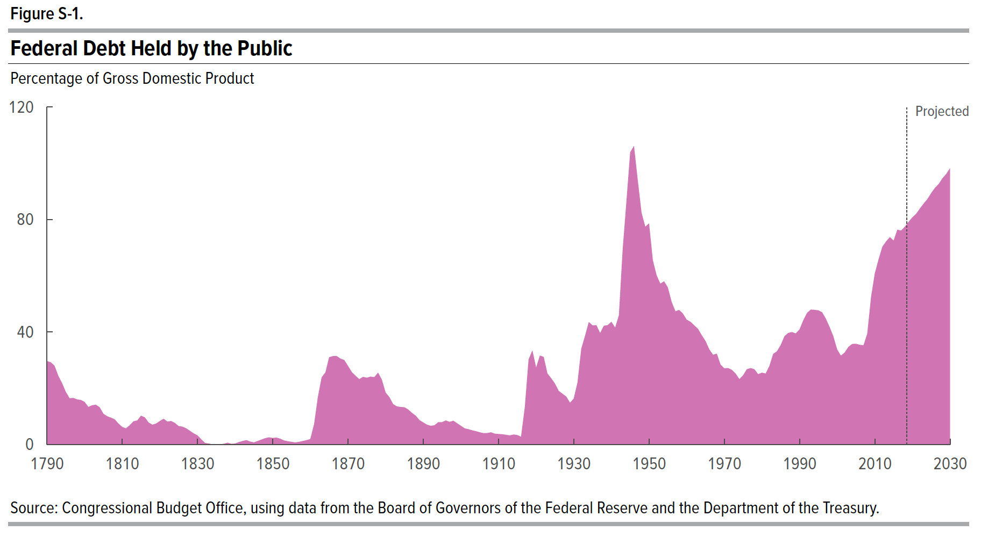
Summary Figure 1. Federal Debt Held by the Public
Percentage of Gross Domestic Product

Year | Debt
1790 | 29.60
1791 | 29.20
1792 | 28.00
1793 | 24.40
1794 | 21.80
1795 | 18.70
1796 | 16.40
1797 | 16.50
1798 | 16.00
1799 | 15.80
1800 | 15.10
1801 | 13.30
1802 | 13.90
1803 | 14.10
1804 | 13.20
1805 | 10.90
1806 | 10.00
1807 | 9.50
1808 | 8.90
1809 | 7.40
1810 | 6.20
1811 | 5.70
1812 | 6.80
1813 | 8.20
1814 | 8.50
1815 | 10.20
1816 | 9.60
1817 | 7.80
1818 | 7.00
1819 | 7.40
1820 | 8.30
1821 | 9.10
1822 | 8.10
1823 | 8.30
1824 | 7.60
1825 | 6.50
1826 | 6.30
1827 | 5.70
1828 | 4.80
1829 | 3.90
1830 | 3.20
1831 | 1.80
1832 | 0.50
1833 | 0.30
1834 | 0.00
1835 | 0.00
1836 | 0.00
1837 | 0.20
1838 | 0.60
1839 | 0.20
1840 | 0.30
1841 | 0.80
1842 | 1.20
1843 | 1.50
1844 | 1.00
1845 | 0.70
1846 | 1.20
1847 | 1.70
1848 | 2.20
1849 | 2.50
1850 | 2.30
1851 | 2.40
1852 | 2.00
1853 | 1.40
1854 | 1.10
1855 | 0.90
1856 | 0.70
1857 | 0.90
1858 | 1.20
1859 | 1.50
1860 | 1.90
1861 | 7.20
1862 | 16.80
1863 | 23.80
1864 | 25.60
1865 | 31.00
1866 | 31.40
1867 | 31.40
1868 | 30.50
1869 | 30.00
1870 | 27.90
1871 | 25.70
1872 | 24.40
1873 | 23.20
1874 | 24.00
1875 | 23.70
1876 | 24.10
1877 | 23.90
1878 | 25.50
1879 | 23.00
1880 | 18.40
1881 | 16.80
1882 | 14.30
1883 | 13.50
1884 | 13.30
1885 | 13.20
1886 | 12.40
1887 | 11.20
1888 | 10.20
1889 | 8.60
1890 | 7.80
1891 | 7.00
1892 | 6.60
1893 | 6.80
1894 | 7.90
1895 | 7.90
1896 | 8.50
1897 | 8.00
1898 | 8.40
1899 | 7.50
1900 | 6.60
1901 | 5.70
1902 | 5.40
1903 | 5.00
1904 | 4.70
1905 | 4.30
1906 | 4.00
1907 | 4.00
1908 | 4.30
1909 | 3.80
1910 | 3.70
1911 | 3.60
1912 | 3.40
1913 | 3.20
1914 | 3.50
1915 | 3.30
1916 | 2.70
1917 | 13.30
1918 | 30.20
1919 | 33.40
1920 | 27.30
1921 | 31.60
1922 | 31.10
1923 | 25.20
1924 | 23.50
1925 | 21.60
1926 | 19.00
1927 | 18.00
1928 | 17.00
1929 | 14.80
1930 | 16.30
1931 | 22.00
1932 | 34.00
1933 | 38.60
1934 | 43.50
1935 | 42.30
1936 | 42.40
1937 | 39.60
1938 | 42.20
1939 | 42.40
1940 | 43.60
1941 | 41.50
1942 | 45.90
1943 | 69.20
1944 | 86.40
1945 | 103.90
1946 | 106.10
1947 | 93.90
1948 | 82.40
1949 | 77.40
1950 | 78.59
1951 | 65.53
1952 | 60.14
1953 | 57.16
1954 | 57.99
1955 | 55.77
1956 | 50.69
1957 | 47.33
1958 | 47.80
1959 | 46.51
1960 | 44.33
1961 | 43.61
1962 | 42.35
1963 | 41.08
1964 | 38.82
1965 | 36.76
1966 | 33.79
1967 | 31.87
1968 | 32.26
1969 | 28.37
1970 | 27.06
1971 | 27.14
1972 | 26.51
1973 | 25.20
1974 | 23.18
1975 | 24.56
1976 | 26.73
1977 | 27.13
1978 | 26.71
1979 | 24.96
1980 | 25.50
1981 | 25.20
1982 | 27.91
1983 | 32.16
1984 | 33.10
1985 | 35.34
1986 | 38.46
1987 | 39.64
1988 | 39.93
1989 | 39.44
1990 | 40.88
1991 | 44.13
1992 | 46.75
1993 | 47.95
1994 | 47.84
1995 | 47.67
1996 | 46.96
1997 | 44.64
1998 | 41.67
1999 | 38.32
2000 | 33.70
2001 | 31.54
2002 | 32.68
2003 | 34.68
2004 | 35.72
2005 | 35.78
2006 | 35.41
2007 | 35.23
2008 | 39.36
2009 | 52.28
2010 | 60.78
2011 | 65.75
2012 | 70.26
2013 | 72.17
2014 | 73.72
2015 | 72.47
2016 | 76.36
2017 | 76.04
2018 | 77.45
2019 | 79.18
2020 | 80.75
2021 | 82.01
2022 | 83.90
2023 | 85.65
2024 | 87.28
2025 | 89.40
2026 | 91.24
2027 | 92.64
2028 | 94.67
2029 | 96.17
2030 | 98.26

Back to Table of Contents

Figure 1-1
This file presents the data underlying the figures in CBO's March 2020 report Federal Debt: A Primer.
www.cbo.gov/publication/56165

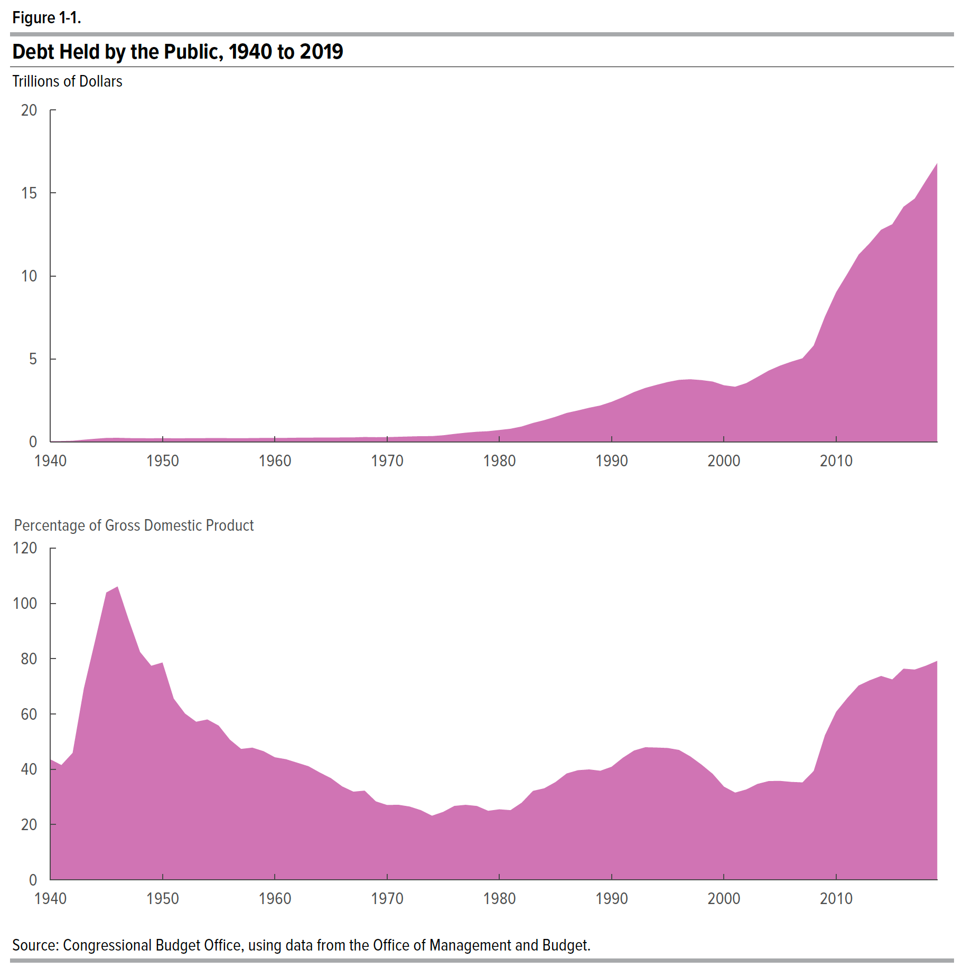
Figure 1-1. Debt Held by the Public, 1940 to 2019

Year | Trillions of Dollars | Percent of Gross Domestic Product
1940 | 0.04 | 43.60
1941 | 0.05 | 41.50
1942 | 0.07 | 45.90
1943 | 0.13 | 69.20
1944 | 0.19 | 86.40
1945 | 0.24 | 103.90
1946 | 0.24 | 106.10
1947 | 0.22 | 93.90
1948 | 0.22 | 82.40
1949 | 0.21 | 77.40
1950 | 0.22 | 78.59
1951 | 0.21 | 65.53
1952 | 0.22 | 60.14
1953 | 0.22 | 57.16
1954 | 0.22 | 57.99
1955 | 0.23 | 55.77
1956 | 0.22 | 50.69
1957 | 0.22 | 47.33
1958 | 0.23 | 47.80
1959 | 0.24 | 46.51
1960 | 0.24 | 44.33
1961 | 0.24 | 43.61
1962 | 0.25 | 42.35
1963 | 0.25 | 41.08
1964 | 0.26 | 38.82
1965 | 0.26 | 36.76
1966 | 0.26 | 33.79
1967 | 0.27 | 31.87
1968 | 0.29 | 32.26
1969 | 0.28 | 28.37
1970 | 0.28 | 27.06
1971 | 0.30 | 27.14
1972 | 0.32 | 26.51
1973 | 0.34 | 25.20
1974 | 0.34 | 23.18
1975 | 0.40 | 24.56
1976 | 0.48 | 26.73
1977 | 0.55 | 27.13
1978 | 0.61 | 26.71
1979 | 0.64 | 24.96
1980 | 0.71 | 25.50
1981 | 0.79 | 25.20
1982 | 0.93 | 27.91
1983 | 1.14 | 32.16
1984 | 1.31 | 33.10
1985 | 1.51 | 35.34
1986 | 1.74 | 38.46
1987 | 1.89 | 39.64
1988 | 2.05 | 39.93
1989 | 2.19 | 39.44
1990 | 2.41 | 40.88
1991 | 2.69 | 44.13
1992 | 3.00 | 46.75
1993 | 3.25 | 47.95
1994 | 3.43 | 47.84
1995 | 3.60 | 47.67
1996 | 3.73 | 46.96
1997 | 3.77 | 44.64
1998 | 3.72 | 41.67
1999 | 3.63 | 38.32
2000 | 3.41 | 33.70
2001 | 3.32 | 31.54
2002 | 3.54 | 32.68
2003 | 3.91 | 34.68
2004 | 4.30 | 35.72
2005 | 4.59 | 35.78
2006 | 4.83 | 35.41
2007 | 5.04 | 35.23
2008 | 5.80 | 39.36
2009 | 7.55 | 52.28
2010 | 9.02 | 60.78
2011 | 10.13 | 65.75
2012 | 11.28 | 70.26
2013 | 11.98 | 72.17
2014 | 12.78 | 73.72
2015 | 13.12 | 72.47
2016 | 14.17 | 76.36
2017 | 14.67 | 76.04
2018 | 15.75 | 77.45
2019 | 16.80 | 79.18
2020 | 17.86 | 80.75
2021 | 18.89 | 82.01
2022 | 20.07 | 83.90
2023 | 21.25 | 85.65
2024 | 22.45 | 87.28
2025 | 23.83 | 89.40
2026 | 25.20 | 91.24
2027 | 26.55 | 92.64
2028 | 28.15 | 94.67
2029 | 29.67 | 96.17
2030 | 31.45 | 98.26

Back to Table of Contents

Figure 1-2
This file presents the data underlying the figures in CBO's March 2020 report Federal Debt: A Primer.
www.cbo.gov/publication/56165

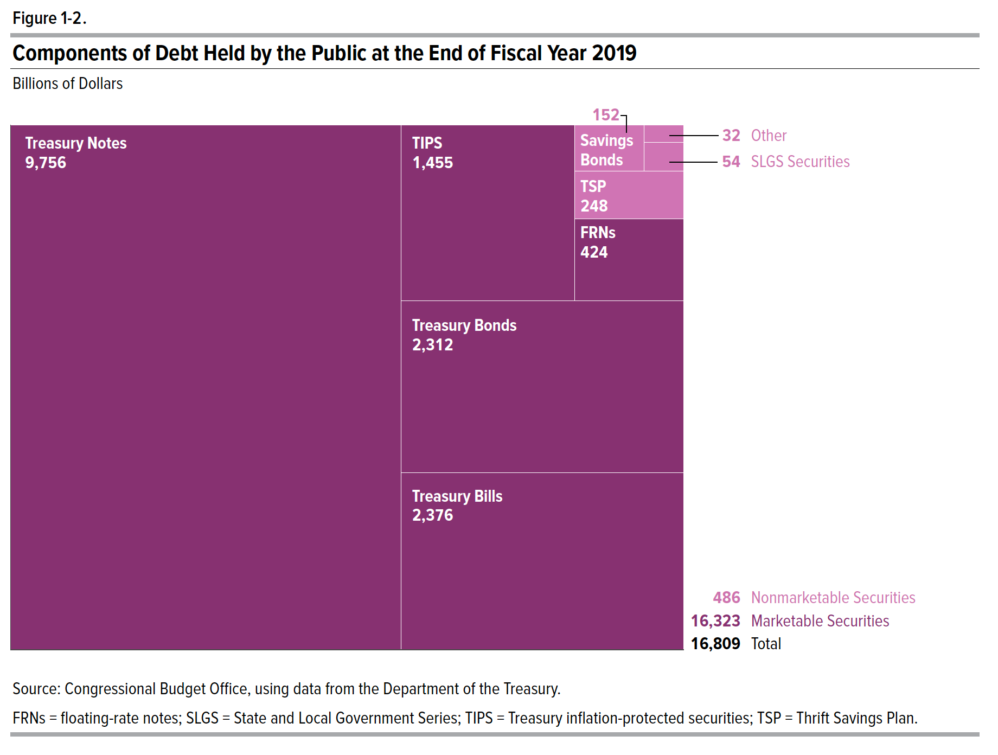
Figure 1-2. Components of Debt Held by the Public at the End of Fiscal Year 2019
Billions of Dollars

Type | Amount
Marketable
Bills | 2376.37
Notes | 9755.99
Bonds | 2311.52
TIPS | 1454.70
FRN | 424.07
Nonmarketable
Savings Bonds | 152.36
State and Local Gov't Series | 53.81
TSP | 248.05
Other | 32.24

Back to Table of Contents

Figure 1-3
This file presents the data underlying the figures in CBO's March 2020 report Federal Debt: A Primer.
www.cbo.gov/publication/56165

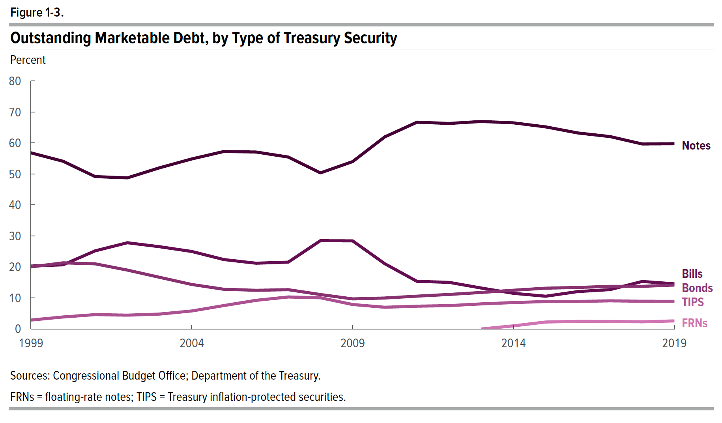
Figure 1-3. Outstanding Marketable Debt, by Type of Treasury Security
Percent

Year | Bills | Notes | Bonds | TIPS | FRN
1999 | 20.30 | 56.83 | 20.00 | 2.87
2000 | 20.69 | 54.11 | 21.33 | 3.86
2001 | 25.21 | 49.15 | 21.01 | 4.63
2002 | 27.82 | 48.75 | 18.99 | 4.45
2003 | 26.54 | 52.00 | 16.66 | 4.80
2004 | 25.00 | 54.85 | 14.35 | 5.80
2005 | 22.39 | 57.26 | 12.80 | 7.55
2006 | 21.21 | 57.08 | 12.48 | 9.23
2007 | 21.56 | 55.46 | 12.67 | 10.32
2008 | 28.49 | 50.35 | 11.10 | 10.06
2009 | 28.42 | 53.99 | 9.70 | 7.89
2010 | 21.04 | 61.97 | 9.98 | 7.00
2011 | 15.36 | 66.71 | 10.58 | 7.34
2012 | 15.03 | 66.31 | 11.13 | 7.53
2013 | 13.20 | 66.94 | 11.77 | 8.09 | 0.00
2014 | 11.49 | 66.50 | 12.50 | 8.51 | 1.00
2015 | 10.56 | 65.20 | 13.16 | 8.85 | 2.24
2016 | 12.06 | 63.24 | 13.38 | 8.87 | 2.45
2017 | 12.70 | 62.07 | 13.75 | 9.07 | 2.42
2018 | 15.32 | 59.69 | 13.75 | 8.94 | 2.31
2019 | 14.56 | 59.77 | 14.16 | 8.91 | 2.60

Back to Table of Contents

Figure 1-4
This file presents the data underlying the figures in CBO's March 2020 report Federal Debt: A Primer.
www.cbo.gov/publication/56165

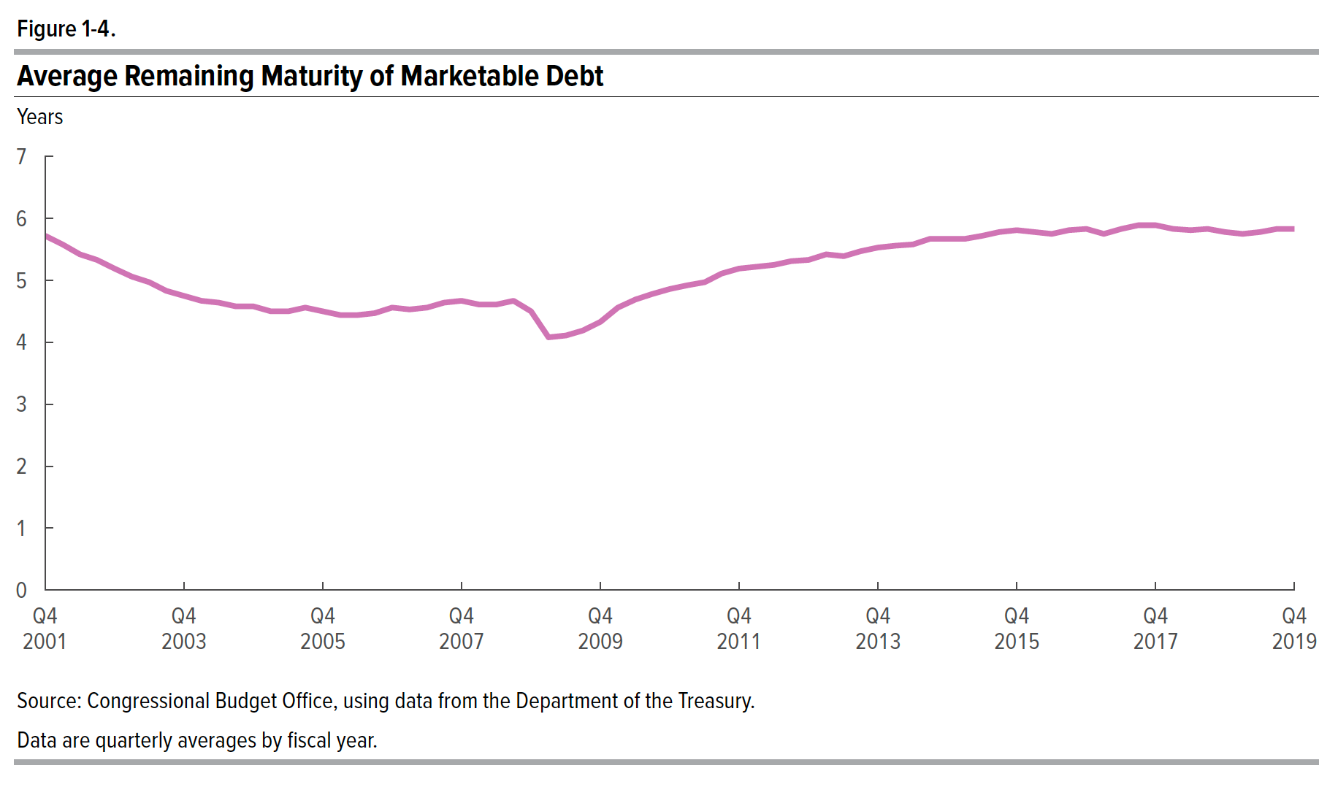
Figure 1-4. Average Remaining Maturity of Marketable Debt
Years

Date | Years to Maturity
2001-08-15 | 5.72
2001-11-15 | 5.58
2002-02-14 | 5.42
2002-05-15 | 5.33
2002-08-15 | 5.19
2002-11-15 | 5.06
2003-02-14 | 4.97
2003-05-15 | 4.83
2003-08-15 | 4.75
2003-11-15 | 4.67
2004-02-15 | 4.64
2004-05-15 | 4.58
2004-08-15 | 4.58
2004-11-15 | 4.50
2005-02-15 | 4.50
2005-05-15 | 4.56
2005-08-15 | 4.50
2005-11-15 | 4.44
2006-02-15 | 4.44
2006-05-15 | 4.47
2006-08-15 | 4.56
2006-11-15 | 4.53
2007-02-15 | 4.56
2007-05-15 | 4.64
2007-08-15 | 4.67
2007-11-15 | 4.61
2008-02-15 | 4.61
2008-05-15 | 4.67
2008-08-15 | 4.50
2008-11-15 | 4.08
2009-02-15 | 4.11
2009-05-15 | 4.19
2009-08-15 | 4.33
2009-11-15 | 4.56
2010-02-15 | 4.69
2010-05-15 | 4.78
2010-08-15 | 4.86
2010-11-15 | 4.92
2011-02-15 | 4.97
2011-05-15 | 5.11
2011-08-15 | 5.19
2011-11-15 | 5.22
2012-02-15 | 5.25
2012-05-15 | 5.31
2012-08-15 | 5.33
2012-11-15 | 5.42
2013-02-15 | 5.39
2013-05-15 | 5.47
2013-08-15 | 5.53
2013-11-15 | 5.56
2014-02-15 | 5.58
2014-05-15 | 5.67
2014-08-15 | 5.67
2014-11-15 | 5.67
2015-02-15 | 5.72
2015-05-15 | 5.78
2015-08-15 | 5.81
2015-11-15 | 5.78
2016-02-15 | 5.75
2016-05-15 | 5.81
2016-08-15 | 5.83
2016-11-15 | 5.75
2017-02-15 | 5.83
2017-05-15 | 5.89
2017-08-15 | 5.89
2017-11-15 | 5.83
2018-02-15 | 5.81
2018-05-15 | 5.83
2018-08-15 | 5.78
2018-11-15 | 5.75
2019-02-15 | 5.78
2019-05-15 | 5.83
2019-08-15 | 5.83

Back to Table of Contents

Figure 1-5
This file presents the data underlying the figures in CBO's March 2020 report Federal Debt: A Primer.
www.cbo.gov/publication/56165

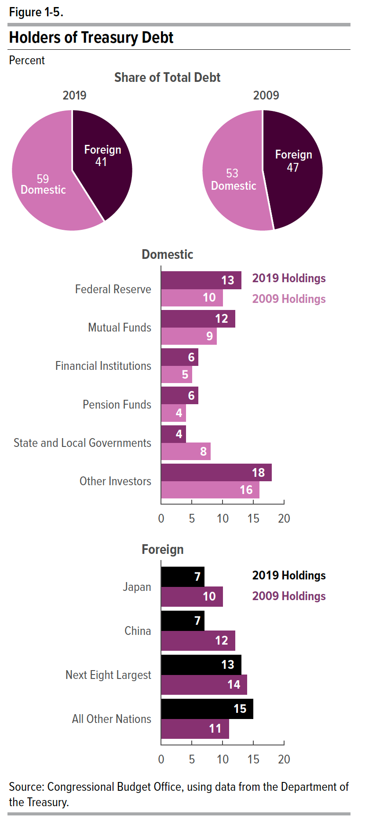
Figure 1-5. Holders of Treasury Debt
Percentage

Share of Total Debt
Type | 2019 | 2009
Domestic | 59 | 53
Foreign | 41 | 47

Domestic
Federal Reserve | 13 | 10
Mutual Funds | 12 | 9
Financial Institutions | 6 | 5
Pension Funds | 6 | 4
State and Local Gov't | 4 | 8
Other Investors | 18 | 16

Foreign
Japan | 7 | 10
China | 7 | 12
Next Eight Largest | 13 | 14
All Other Nations | 15 | 11

Back to Table of Contents

Figure 2-1
This file presents the data underlying the figures in CBO's March 2020 report Federal Debt: A Primer.
www.cbo.gov/publication/56165

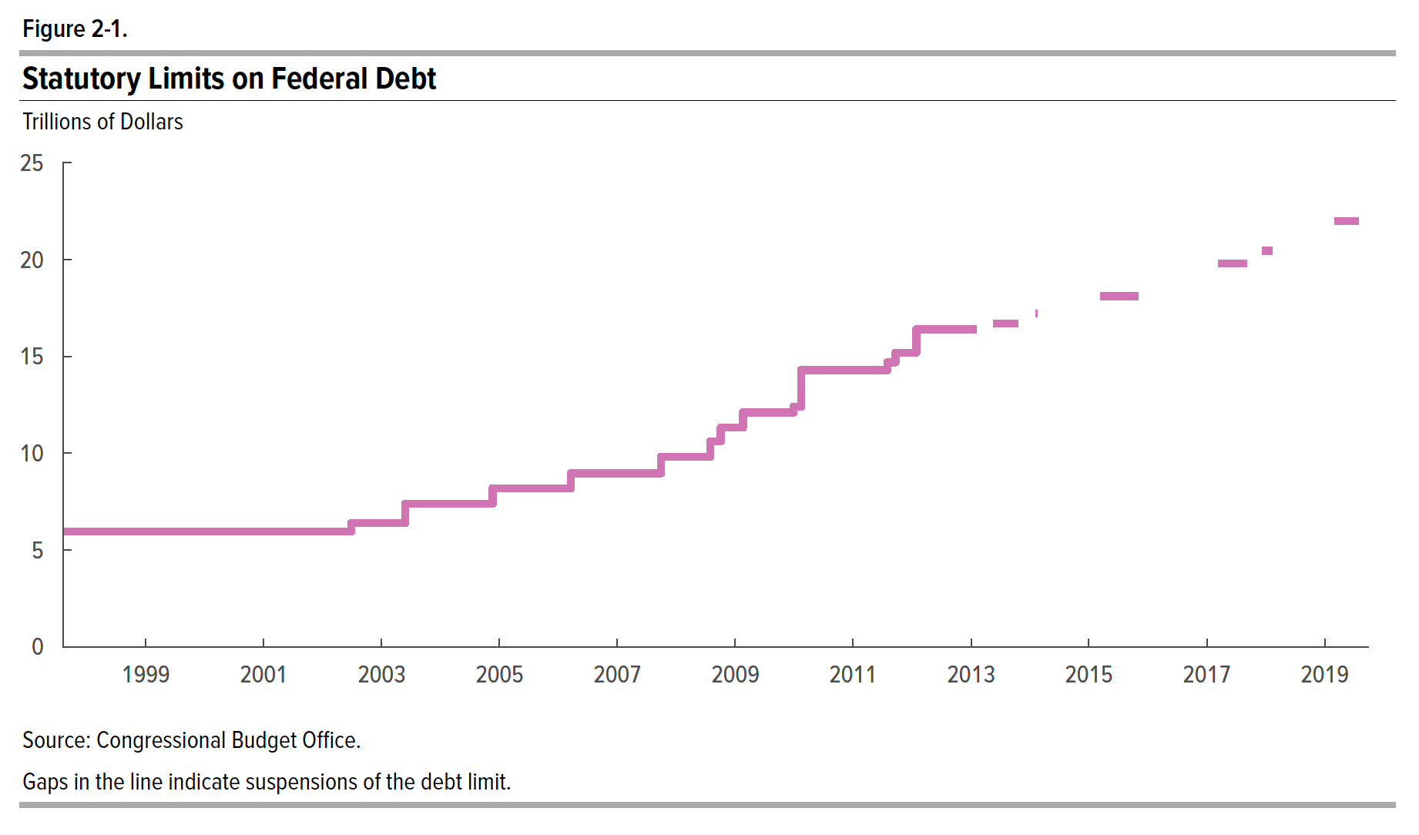
Figure 2-1. Statutory Limits on Debt
Trillions of Dollars

Date | Limit
1997-08-05 | 5.95
1998-01-01 | 5.95
2002-06-27 | 5.95
2002-06-28 | 6.4
2003-05-26 | 6.4
2003-05-27 | 7.384
2004-11-18 | 7.384
2004-11-19 | 8.184
2006-03-19 | 8.184
2006-03-20 | 8.965
2007-09-28 | 8.965
2007-09-29 | 9.815
2008-07-29 | 9.815
2008-07-30 | 10.615
2008-10-02 | 10.615
2008-10-03 | 11.315
2009-02-16 | 11.315
2009-02-17 | 12.104
2009-12-27 | 12.104
2009-12-28 | 12.394
2010-02-11 | 12.394
2010-02-12 | 14.294
2011-08-01 | 14.294
2011-08-02 | 14.694
2011-09-20 | 14.694
2011-09-21 | 15.194
2012-01-26 | 15.194
2012-01-27 | 16.394
2013-02-03 | 16.394
2013-02-04
2013-05-18
2013-05-19 | 16.699
2013-10-16 | 16.699
2013-10-17
2014-02-06
2014-02-07 | 17.212
2014-02-14 | 17.212
2014-02-15
2015-03-15
2015-03-16 | 18.113
2015-11-01 | 18.113
2015-11-02
2017-03-14
2017-03-15 | 19.809
2017-09-07 | 19.809
2017-09-08
2017-12-08
2017-12-09 | 20.456
2018-02-08 | 20.456
2018-02-09
2019-03-01
2019-03-02 | 21.988
2019-08-01 | 21.988
2019-08-02
2019-09-30

Back to Table of Contents

Box 2-1
This file presents the data underlying the figures in CBO's March 2020 report Federal Debt: A Primer.
www.cbo.gov/publication/56165

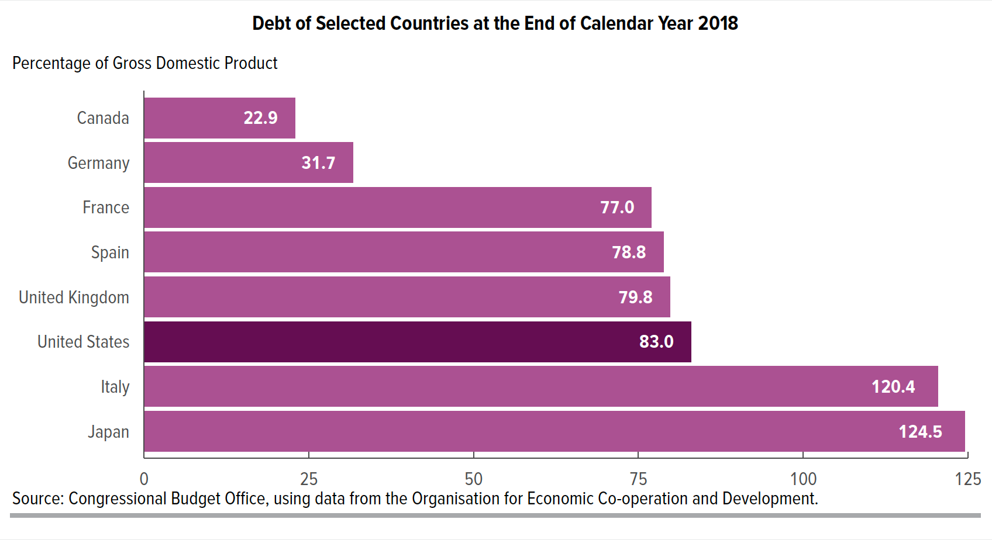
Box 2-1. Debt of Selected Countries at the End of Calendar Year 2018
Percentage of Gross Domestic Product

 | Budget Debt
Canada | 22.9
Germany | 31.7
France | 77.0
Spain | 78.8
United Kingdom | 79.8
United States | 83.0
Italy | 120.4
Japan | 124.5

Back to Table of Contents

